Tasks
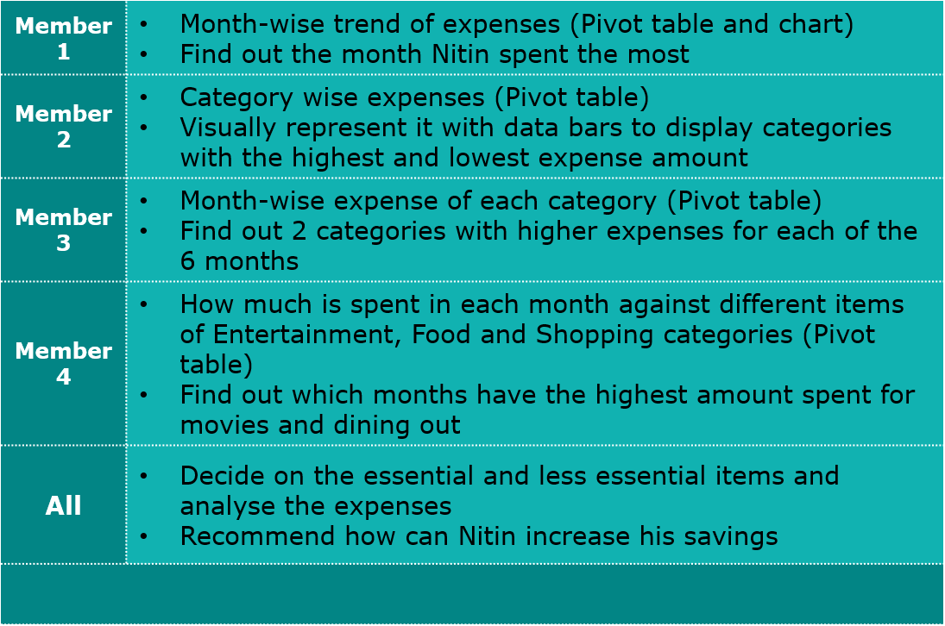

Task 1
Row Labels | Sum of Expense (INR)
January | 13900
February | 15620
March | 13140
April | 14800
May | 13370
June | 13560
Grand Total | 84390

Task 2
Row Labels | Sum of Expense (INR)
February | 15620
April | 14800
January | 13900
June | 13560
May | 13370
March | 13140
Grand Total | 84390

Task 3
Row Labels | Sum of Expense (INR)
Doctor and Medicine | 4000
Entertainment | 12000
Food | 4940
Grocery | 30990
Miscellaneous | 7720
Shopping | 8700
Ticket and Bills | 16040
Grand Total | 84390

Task 5
Sum of Expense (INR) | Column Labels
Row Labels | Doctor and Medicine | Entertainment | Food | Grocery | Miscellaneous | Shopping | Ticket and Bills | Grand Total
January | 1750 | 250 | 1900 | 4500 | 850 | 2000 | 2650 | 13900
February | 450 | 7500 |  | 4300 | 720 |  | 2650 | 15620
March | 450 | 500 | 800 | 6090 | 850 | 1700 | 2750 | 13140
April | 450 | 1250 | 1390 | 5460 | 3500 |  | 2750 | 14800
May | 450 | 1500 |  | 5950 | 1300 | 1500 | 2670 | 13370
June | 450 | 1000 | 850 | 4690 | 500 | 3500 | 2570 | 13560
Grand Total | 4000 | 12000 | 4940 | 30990 | 7720 | 8700 | 16040 | 84390

 | Doctor and Medicine | Entertainment | Food | Grocery | Miscellaneous | Shopping | Ticket and Bills
January | 1750 | 250 | 1900 | 4500 | 850 | 2000 | 2650
February | 450 | 7500 |  | 4300 | 720 |  | 2650
March | 450 | 500 | 800 | 6090 | 850 | 1700 | 2750
April | 450 | 1250 | 1390 | 5460 | 3500 |  | 2750
May | 450 | 1500 |  | 5950 | 1300 | 1500 | 2670
June | 450 | 1000 | 850 | 4690 | 500 | 3500 | 2570

Task 6
Row Labels | Sum of Expense (INR)
January | 7150
Grocery | 4500
Ticket and Bills | 2650
February | 11800
Entertainment | 7500
Grocery | 4300
March | 8840
Grocery | 6090
Ticket and Bills | 2750
April | 8960
Grocery | 5460
Miscellaneous | 3500
May | 8620
Grocery | 5950
Ticket and Bills | 2670
June | 8190
Grocery | 4690
Shopping | 3500
Grand Total | 53560

Task 7
Row Labels | Sum of Expense (INR)
January | 4150
Entertainment | 250
Movie | 250
Food | 1900
Chips and fries | 260
Dining out | 1000
Online Food order | 640
Shopping | 2000
Shirts | 2000
February | 7500
Entertainment | 7500
North Bengal Trip | 7500
March | 3000
Entertainment | 500
Movie | 500
Food | 800
Dining out | 800
Shopping | 1700
Shoes | 1700
April | 2640
Entertainment | 1250
Movie | 250
Outing with friends | 1000
Food | 1390
Dining out | 850
Online Food order | 540
May | 3000
Entertainment | 1500
Movie | 500
Outing with friends | 1000
Shopping | 1500
Shirts | 1500
June | 5350
Entertainment | 1000
Movie | 1000
Food | 850
Chips and fries | 250
Online Food order | 600
Shopping | 3500
Shoes | 1000
Tshirt and Jeans | 2500
Grand Total | 25640

Task 8
Row Labels | Sum of Expense (INR)
March | 1300
Entertainment | 500
Movie | 500
Food | 800
Dining out | 800
January | 1250
Entertainment | 250
Movie | 250
Food | 1000
Dining out | 1000
April | 1100
Entertainment | 250
Movie | 250
Food | 850
Dining out | 850
June | 1000
Entertainment | 1000
Movie | 1000
May | 500
Entertainment | 500
Movie | 500
Grand Total | 5150

